1. Title Page
[Project Name]

Project Name: INSTACART BASKET ANALYSIS
Date: 20_06_2022
Analyst Name: Sarthak Gavali

Contents:
Population Flow
Consistency checks
Wrangling steps
Column derivations
Visualizations
Recommendations

DATA CITATION: DATA CITATION "The Instacart Online Grocery Shopping Dataset 2017”, Accessed from https://www.instacart.com/datasets/grocery-shopping-2017 on [1/05/2022].
 | Do note that the customer data used in Exercises 4.9 and 4.10, as well as the “prices” column in the products data set, were both fabricated for the purpose of this course.

2. Population Flow
Title page

Population flow

Exclusion flag
Condition: max_order < 5
Obervations to be removed: 1440295
Final total count of order_products_all: 30964564

Orders_products_combined
Orders_products_merged
Orders_products_all

Total: 32404859
Total: 32404859
Total: 32404859

1.) The grey boxes in the first row of the population flow represent the original data sets as they were when you downloaded them. In the Total fields you need to add the count of the rows when you imported the data set into Jupyter.
2.) The second row of boxes (coloured) represents the data sets after you manipulated them, e.g., removed missing values and duplicates. In the Total fields you need to add the count of the rows after conducting these operations. This offers a visual oveview of how the data flows throughout the data consistency checks.
3.) The third row, where also the arrows are coloured, represents the merges you performed between the datasets. In the Total fields you need to add the count of the rows in the merged datasets, so that you end up with the final dataset (in the red box). Keep in mind the final dataset should be without exclusions (based on the exclusion flag).

3. Consistency checks
 |  |  |  | Title page
Consistency checks

Dataset | Missing values | Missing values treatment | Duplicates
orders | none | none | none
products | 16 | dropped | 5
orders_products_prior | none | none | none
customers | first name=11259 | retained | none

4. Wrangling steps
 |  |  |  | Title page
Wrangling steps

Columns dropped | Columns renamed | Columns' type changed | Comment/Reason
eval_set from orders.csv |  |  | not required
 | ords_dow :orders_day_of_week |  | make it more understandable
 | order_hour_of_day:orders_time_of_day |  | make it more understandable
_merge |  |  | removed once merge was confirmed
 | in customer.csv
 | First_name:first_name |  | uniform small case
 | surnam:surname |  | spelling correction
 | Gender:gender |  | uniform small case
 | STATE : state |  | uniformity
 | Age:age |  | uniformity
 | n_dependants : dependants | customer.csv | relevance
 |  | user_id.dtype from int64 | to match with the user_id datatype of the main
 |  | to int32 | dataframe for merging.

5. Column derivations
 |  |  |  | Title page

Column derivations and aggregations

In this tab you should add tables below that the frequences of flags/label variables that you produced after deriving them. NB: don't do this for continuous variables, only for flags.
Dataset | New column | Column/s it was derived from | Conditions
ords_prods_merge_grp_agg1 | busiest_period_of_day | order_time_of_day | time9 to 16:00 hre---most orderds
 |  |  | 0 to 06:00 hrs---fewest orders
 |  |  | 17 to 23 and 7--8 ----Average orders
ords_prods_merge_grp_agg1 | loyalty_flag | max_order | max_order>40------loyalcostumer
 |  |  | max_order<=40,>10-regular costumer
 |  |  | max_order<=10-new customer
ords_prods_merge_grp_agg1 | spending flag | mean_price | mean price>=10--high spender
 |  |  | mean price<10--low spender
ords_prods_merge_grp_agg1 | frequency_flag | median_days_since_prior_order | median_days>20--non_frequent
 |  |  | median_days>10,<=20-regular
 |  |  | median_days<=10--frequent
cust_ords_prods_excluded | exclusion_flag | max_order | max_order<5--Exclude
cust_ords_prods_retained | exclusion_flag | max_order | max_order>=5---retain

df_retained | age_group | age | Age groups: 18-25, 26-35, 36-45, 46-55, 56-65
 |  |  | 66-75, 76-85.
df_retained | income_bracket | income | income_brackets: '25000 - 50000', '50000 - 75000', '75000 - 100000', '100000-150000',
 |  |  | 150000-200000', '200000-300000',
 |  |  | 300000-400000', '400000-500000',
 |  |  | 500000-600000'

busiest_period_of_day
Most orders 21118071
Average orders 10399967
Fewest orders 886821
Name: busiest_period_of_day, dtype: int64

Loyalty flag
Regular customer 15876776 Loyal customer 10284093 New customer 6243990 Name: loyalty_flag, dtype: int64

Spending flag
Low spender 31770614
High spender 634245
Name: spending_flag, dtype: int64

frequency flag
Frequent customer 22796659 Regular customer 6921472 Non frequent customer 2686728 Name: ord_frequency_flag, dtype: int64

exclusion_flag
Exclude 1440295
retain 30964564

Income bracket frequency:
100000 - 150000 10312494 75000 - 100000 6850802 50000 - 75000 6544180 150000 - 200000 3640392 25000 - 50000 3362554 200000 - 300000 154113 300000 - 400000 53033 400000 - 500000 27927 500000 - 600000 19069

Age_group Frequency
18 - 25 3864518 26 - 35 4874287 36 - 45 4828252 46 - 55 4889209 56 - 65 4777464 66 - 75 4817434 76 - 85 2436052

6. Visualizations
 | Title page

Visualisations

Busiest day of the week

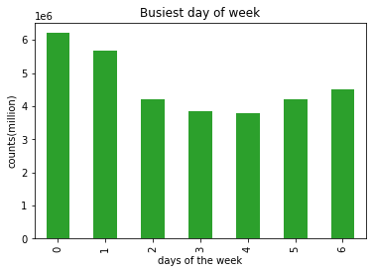

Sunday is the busiest day of the week, followed by Monday and Saturday

Busiest hour of the day chart
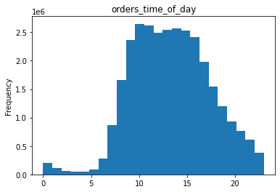

As is visible from the chart 9:00hrs to16:00 hrs are the busiest hours of the day

Time of day when customers spend the most

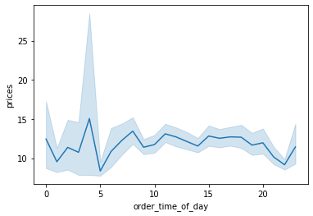

The prices of the items purchased are the highest at 4:00 hrs . The prices of the items purchased agin peak from 09:00hrs to 20:00 hrs
There is a huge spike at around 4:00 hrs which needs to be looked into.

Price Range distribution

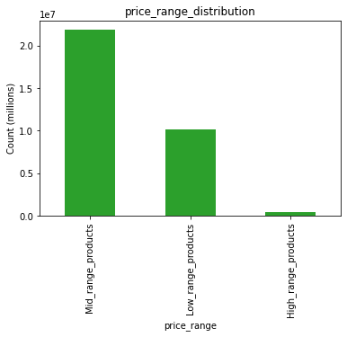

As is visible from the chart mid_range products are purchased the most followed by low_range_products. High range products are bought the least.

High range products>15, Mid range product between 5 to 15, Low range products < 5

Most popular products

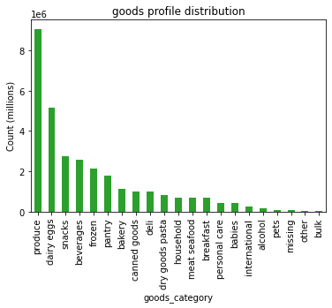

Produce, Dairy & Eggs, snacks are the departments with highest orders followed by beverages, frozen and pantry.

Brand loyalty

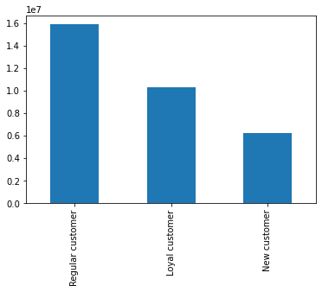
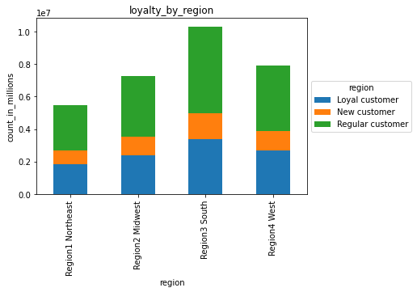

From the bar chart it is visible that:

Regular customers place the highest number of orders followed by loyal customers.
New customers place the least orders amongst the 3 customer classes.
Although the per order price for loyal customers is high their frequency of order is lesser than the regular customers.
The south region has the maximum regular customers followed by loyal customers. New customers are the least across all regions.

Loyal customer >40 orders, regular customers 10 to 40 orders, new customers <= 10 orders

Ordering habits based on regions

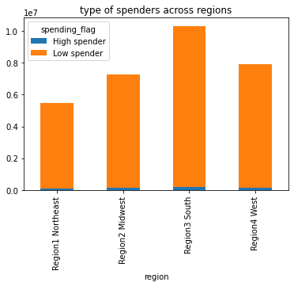

spending pattern only differs in volume across regions. Other wise the proportion of low spenders to high spenders is almost the same through all regions

Low spenders are far higher than high spenders

Age and ordering habits

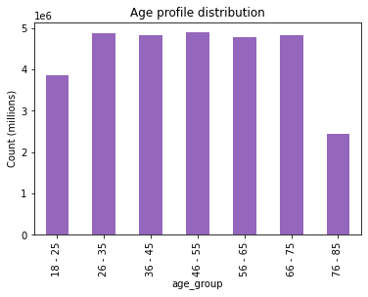

The customers belonging to the working age group of 26 yrs-75 yrs place more orders than the 18-25 and 76-85 age groups

Family status and ordering habits

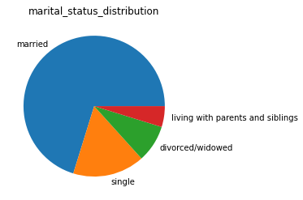

married people with families order more than single people.They form about 75% of the total customer base of Instacart

Income Profile of Instacart costumers

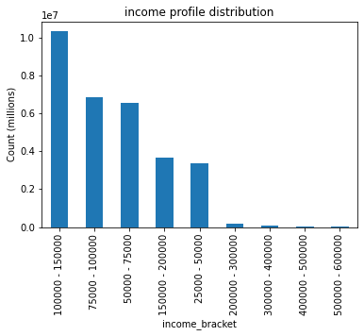

Majority of the orders afe placed by the custyomers belonging to 100000-150000 income class followed by 75000-100000 income group. The higher income groups however place less orders.

7. Recommendations
 | Title page

Recommendations

In this tab you should include any recommendations you would made to Instcart in terms of their marketing strategy based on the questions posed in the brief. Every key question has been covered in the Tasks of the Exercises - here you need to add an item - a visualisation or table/crosstable that is showing the answer in the dat

1) The sales team needs to know what the busiest days of the week and hours of the day are (i.e., the days and times with the most orders) in order to schedule ads at times when there are fewer orders.

Recommendations:As is visible from the graphs Sunday and Monday are the busiest days of the week followed by Friday and Saturday. Advertising schedules can be done on wednesdays and thursdays because these are relatively less busy days that too between 7:00 to 9:00 AM and after 5:00pm in the evening.

2) They also want to know whether there are particular times of the day when people spend the most money, as this might inform the type of products they advertise at these times.

The above chart show the hourly expenditure throughout the day. People spend the most money in morning between 3:00 AM and 4:00 AM and between 9:00 AM to 6:00 PM . These are the times the Instacart teams should focus on.

3) Instacart has a lot of products with different price tags. Marketing and sales want to use simpler price range groupings to help direct their efforts.

Price bracket: High range products>15, Mid range product between 5 to 15, Low range products <= 5

4) Are there certain types of products that are more popular than others? The marketing and sales teams want to know which departments have the highest frequency of product orders.

The departments Produce, Dairy&eggs, snacks and beverages have the highest frequency of product orders.

5) What’s the distribution among users in regards to their brand loyalty (i.e., how often do they return to Instacart)?

Regular customers are the most frequent to place the orders than loyal customers. Hence focusing on regular customers is important for customer retention. The Instacart team should also develop strategies to acquire new customers.
The south region has the maximum regular customers followed by loyal customers. New customers are the least across all regions.

6) Is there a connection between age and family status in terms of ordering habits?

AGE: The most active age group to place orders is 26-75 yrs. FAMILY STATUS: Married customers with families tend to order more than single, widowed/divorced individuals.
Recommendations: The Instacart team should focus on te single customers that too the young age group of 18-25 yrs to leverage more. at the same time retaining the existing customers

7) Are there differences in ordering habits based on a customer’s region?

The spending habits do not vary with the regions. The proportion to high spenders to low spenders remains the same across all regions..
The south region has the maximum regular customers followed by loyal customers. New customers are the least across all regions.

8) What different classifications does the demographic information suggest? Age? Income? Certain types of goods? Family status?
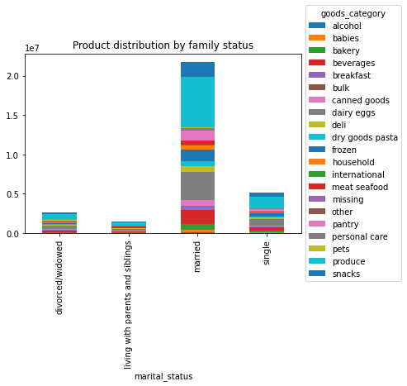
Customers in the income group(100000-150000) place the maximum orders followed by the (75000-100000) category. It is interesting to know that high income classes(150000 and above) spend relatively less.
Married customers with families spend more on Produce, dairy and eggs, meat&seafood and snacks
Customers from age 26 to 75 yrs place the majority of orders. Followed by 18-25 yrs age group. Instacart should try to focus on drawing the younger group 18- 25 yrs into buying instacart products.

